Welcome


Carrier Onboarding Form

This form is designed to facilitate your PPL onboarding experience. If you have a query whilst completing the form, please refer to the guidance notes before contacting one of our onboarding coordinators.
To contact one of our onboarding coordinators, please email us at:
pplenquiries@placingplatformlimited.com

Version 1.3
Please ensure you are using the latest version of this onboarding form.
To download the latest version of this form and/or the guidance notes, please visit:
https://www.placingplatformlimited.com/useful-information

Please enable the content of this form if asked to do so
This form contains dynamic content that depends on your responses. Enabling content will ensure the form works as intended

Your Stamps
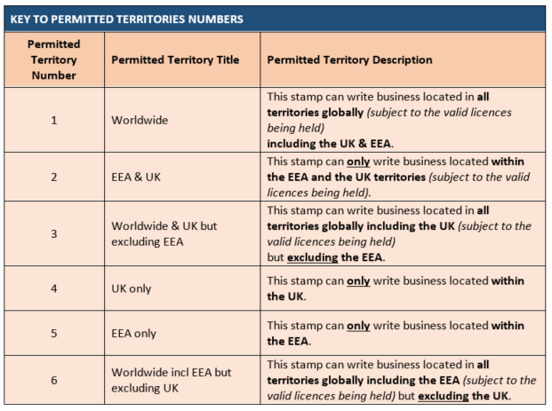
Your Stamps

Section 1: Your Stamps setup

Please list the stamps you wish to have setup to accept risks including any codes:

No | Display Name (max. 250) | DUNS | Lloyds code | LBS Code | LORS Code | LIRMA | ILU | Permitted Territory (See key below) | No Characters
Stamp 1 |  |  |  |  |  |  |  |  | 0
Stamp 2 |  |  |  |  |  |  |  |  | 0
Stamp 3 |  |  |  |  |  |  |  |  | 0
Stamp 4 |  |  |  |  |  |  |  |  | 0
Stamp 5 |  |  |  |  |  |  |  |  | 0
Stamp 6 |  |  |  |  |  |  |  |  | 0
Stamp 7 |  |  |  |  |  |  |  |  | 0
Stamp 8 |  |  |  |  |  |  |  |  | 0
Stamp 9 |  |  |  |  |  |  |  |  | 0
Stamp 10 |  |  |  |  |  |  |  |  | 0

Section 2: PPL / SDC Integration

Please select your PPL / SDC configuration settings:
Please select here | See key to SDC configuration below

Category | Definition
A - Elective | Our company is PPL/SDC member. All stamps are sent to SDC (including LIC)
B - Elective | Our company is PPL/SDC member. All stamps are sent to SDC (excluding LIC)
C - Non Elective | Our company is not a PPL/SDC member. But LIC stamps only are sent to SDC
D - Non Elective | Our company is not a PPL/SDC member. Nothing is sent to SDC

Section 3: Key to Permitted Territory

Your User Details
Your User Details
Carrier Teams and Users Setup
Once we have your completed form we will create your accounts. If we require more information, we will contact you.

Section 1: Your Teams

Team 1
Team Name: |  |  | 0
Team Email:
Team visible to brokers:
Cover Written:
Email Notification: | Please select
Team 2
Team Name:
Team Email:
Team visible to brokers:
Cover Written:
Email Notification: | Please select
Team 3
Team Name:
Team Email:
Team visible to brokers:
Cover Written:
Email Notification: | Please select

Role
Full-Binding: Able to edit and send quotes/firm-order/endorsement responses.
Read-Only: Cannot edit or send responses, but all can be viewed.
Extra Role
Internal Approver: Allows a carrier to select an internal approver to review the risk before sending to the market.
Super user: this extra role provides additional visibility in that super users belong to all teams. Super users also have the ability to download their PPL company configuration.
Section 2: Your Users
 |  |  |  |  |  |  |  | Extra Roles
User No. | First Name | Last Name | E-Mail Address | Telephone Number | Team (As in Section 1) | Stamps Access | Role | Internal Approver | Super User
Example: 1 | John | Smith | john.smith@abcinsurance.com | 0207 8765 4321 | 1, 2 | 1, 2, 3 | Full-binding | Yes | Yes
1
2
3
4
5
6
7
8
9
10
11
12
13
14
15
16
17
18
19
20

