Welcome


New Stamp Configuration Form
If you need assistance to complete this form, please email us at:
pplenquiries@placingplatformlimited.com

Version 1.2
Please ensure you are using the latest version of this onboarding form.
To download the latest version of this form and/or the guidance notes, please visit:
https://www.placingplatformlimited.com/useful-information

Please enable the content of this form if asked to do so
This form contains dynamic content that depends on your responses. Enabling content will ensure the form works as intended

Your Stamps
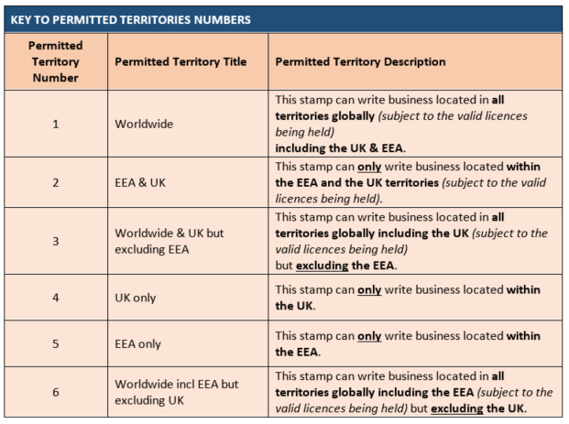
Your Stamps
Your Stamps setup

Please list the stamps you wish to have setup to accept risks including any codes:

Stamp No | Display Name (max. 250) | New stamp or replacing existing stamp? | DUNS | Code Type | Code | Can this stamp be made available to all brokers? If no, please list the brokers who require access | Permitted Territory (See key below) | Send to SDC? | No Characters
Stamp 1 |  |  |  |  |  |  |  |  | 0
Stamp 2 |  |  |  |  |  |  |  |  | 0
Stamp 3 |  |  |  |  |  |  |  |  | 0
Stamp 4 |  |  |  |  |  |  |  |  | 0
Stamp 5 |  |  |  |  |  |  |  |  | 0
Stamp 6 |  |  |  |  |  |  |  |  | 0
Stamp 7 |  |  |  |  |  |  |  |  | 0
Stamp 8 |  |  |  |  |  |  |  |  | 0
Stamp 9 |  |  |  |  |  |  |  |  | 0
Stamp 10 |  |  |  |  |  |  |  |  | 0

Key to Permitted Territory

Your User Details
Did you know Superusers can download company configurations from the MI extracts on the PPL Platform?
Close
Stamps user access
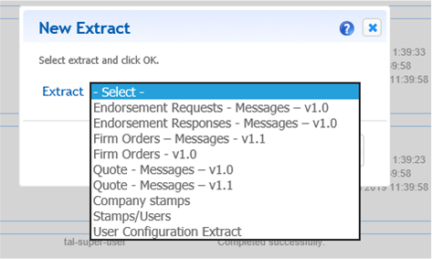
List your existing Full-Binding users who need access to the new stamp(s)
If you need to setup new users, please use the 'New Users' configuration form

User No. | First Name | Last Name | E-Mail Address | Stamps Access
Example: 1 | John | Smith | john.smith@abcinsurance.com | 1, 2, 3
1
2
3
4
5
6
7
8
9
10
11
12
13
14
15
16
17
18
19
20
21
22
23
24
25
26
27
28
29
30
31
32
33
34
35
36
37
38
39
40
41
42
43
44
45
46
47
48
49
50

